Simple Linear Regression by Jee
Observation no | Advt (x) | Sales (y) | X^2(xx) | xy | y pred (a+bx) | Residuals [Actual - Predicted] | SST (Actual - y_mean)^2 | SSR (y_pred - y_mean)^2 | SSE (y_actual - y_pred)^2
1 | 92 | 930 | 8464 | 85560 | 902.39651416 | 27.603485839 | 25069.444444 | 34572.500724 | 761.95243045
2 | 94 | 900 | 8836 | 84600 | 940.53740015 | -40.537400145 | 35469.444444 | 21843.637867 | 1643.2808105
3 | 97 | 1020 | 9409 | 98940 | 997.74872912 | 22.251270879 | 4669.4444444 | 8205.5705203 | 495.11905572
4 | 98 | 990 | 9604 | 97020 | 1016.8191721 | -26.819172113 | 9669.4444444 | 5114.275255 | 719.26799284
5 | 100 | 1100 | 10000 | 110000 | 1054.9600581 | 45.039941903 | 136.11111111 | 1113.7755 | 2028.5963666
6 | 102 | 1050 | 10404 | 107100 | 1093.1009441 | -43.100944081 | 1469.4444444 | 22.730112244 | 1857.6913807
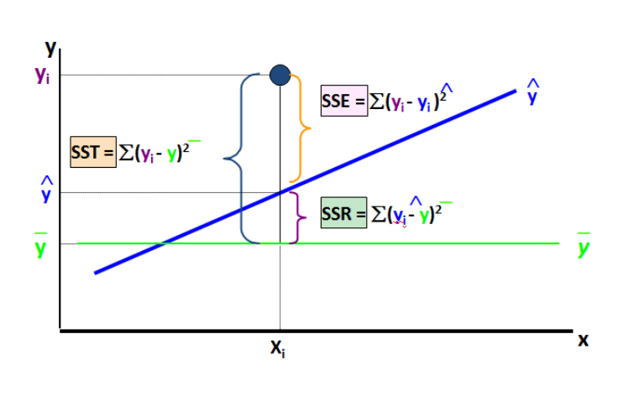
Scatter Plot Advt vs Sales
7 | 104 | 1150 | 10816 | 119600 | 1131.2418301 | 18.758169935 | 3802.7777778 | 1841.1390918 | 351.8689393
8 | 105 | 1120 | 11025 | 117600 | 1150.3122731 | -30.312273057 | 1002.7777778 | 3841.3889693 | 918.8338979
9 | 105 | 1130 | 11025 | 118650 | 1150.3122731 | -20.312273057 | 1736.1111111 | 3841.3889693 | 412.58843676
10 | 107 | 1200 | 11449 | 128400 | 1188.453159 | 11.546840959 | 12469.444444 | 10023.9795 | 133.32953612
11 | 107 | 1250 | 11449 | 133750 | 1188.453159 | 61.546840959 | 26136.111111 | 10023.9795 | 3788.013632
12 | 110 | 1220 | 12100 | 134200 | 1245.664488 | -25.664488017 | 17336.111111 | 24753.092234 | 658.6659452
sum = | 1221 | 13060 | 124581 | 1335420 | 13060 |  | 138966.66667 | 125197.45824 | 13769.208424
Average = | 101.75 | 1088.3333333 | 10381.75 | 111285 | 1088.3333333

Sum of Squared on independent and dependent features |  |  |  |  |  | Sum of Squared on dependent features

 | SSxy = | 6565 |  |  |  |  | SSxx = | 344.25 |  | SUMMARY OUTPUT

Now., Will find coefficient & Intercept |  |  |  |  |  |  |  |  |  | Regression Statistics
 |  |  |  |  |  |  |  |  |  | Multiple R | 0.94916657428
 |  |  |  |  |  |  |  |  |  | R Square | 0.90091718572
Regression Coefficient (b1) |  |  |  |  | Intercept |  |  |  |  | Adjusted R Square | 0.89100890429
 |  |  |  |  |  |  |  |  |  | Standard Error | 37.10688403
 |  |  |  |  |  |  |  | Note :- |  | Observations | 12
 |  | For one unit change in my x-axis what is the change in my y-axis |  |  |  |  |  | The line where the point cuts the y - axis is Intercept
 |  |  |  |  |  |  |  | when the value of x = 0 what is the value of y that is intercept |  | ANOVA
 |  |  |  |  |  |  |  |  |  |  | df | SS | MS | F | Significance F
 |  |  |  |  |  |  |  |  |  | Regression | 1 | 125197.45824 | 125197.45824 | 90.925675889 | 2.453819981E-06
 | b1 = | 19.070442992 |  |  |  | bo = | -852.0842411 |  |  | Residual | 10 | 13769.208424 | 1376.9208424
 |  |  |  |  |  |  |  |  |  | Total | 11 | 138966.66667
 |  | Regression Equation
 |  |  |  |  |  |  |  |  |  |  | Coefficients | Standard Error | t Stat | P-value | Lower 95% | Upper 95% | Lower 95.0% | Upper 95.0%
 |  |  |  |  |  |  |  |  |  | Intercept | -852.0842411 | 203.77588866 | -4.1814772431 | 0.0018832835904 | -1306.1252157 | -398.04326649 | -1306.1252157 | -398.04326649
 |  | y = mx + c |  |  |  | Note :- y = Dependent variable, m = Slope, x = Independent Variable, c = Intercept |  |  |  | Advt (x) | 19.070442992 | 1.9999425136 | 9.5354955765 | 2.453819981E-06 | 14.614293376 | 23.526592608 | 14.614293376 | 23.526592608

 |  | y = a + bx |  |  |  | Note :- y = Dependent variable,a = Intercept, b = Slope, x = Independent Variable

 |  | y = bo + b1x1 |  |  |  | Note :- y = Dependent variable, bo = Intercept, b1 = Slope, x = Independent Variable

 | Now will Try to implement Regression Equation in our problem statement

 |  | Sales (ypred) = Intercept + coefficient * advertisement

 | Once you find the Sum of Squared Error You are good to go with Standard Error Residuals [SER]

 |  |  |  |  |  |  | Note :- n = No of Observation, k = No of independent variable

 |  |  |  | SER = | 37.10688403

 |  | What is the Practical use of Standard Error Residuals (37.107) ?

 | Say, you want to predict sales for a given advertisement budget of 95.

 |  | Sales @95 = | bo + b1 x1
 |  | sales @95 = -852.08 + 19.07 * 95
 |  | Sales @95 = | 959.60784314

 | It is Never Good idea to express prediction in point Estimate., Rather we should present confidence intervals as shown in below.

 |  | Upper Limit(Sales) = | ypred + critical value of Z at 95% of confidence Level * SEresiduals

 |  | Upper Limit (sales) = 959 + 1.96 * 37.1
 |  |  |  |  |  |  | Now will try to understand how to find critical value of Z at 95% of confidence Level
 |  | Upper Limit(Sales) = | 1032.3373358

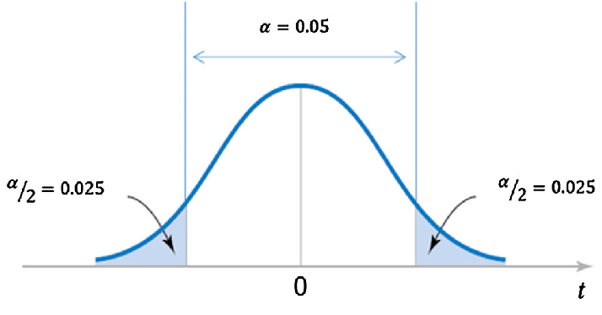
 |  |  |  |  |  |  | Entire distribution of Bell curve = 1

 |  |  |  |  |  |  | Now will take half of the curve because the bell curve is symmetric, So we will be having 0.5 on left and 0.5 on right

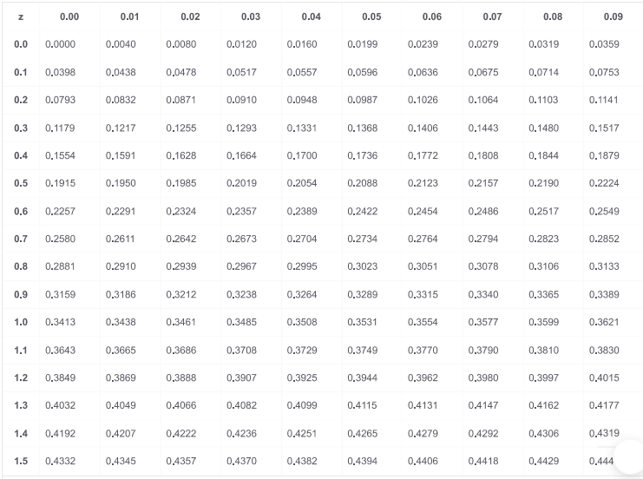
 |  |  |  |  |  |  |  | 1 - 0.5
 |  |  |  |  |  |  |  | 0.5 - 0.025
 |  |  |  |  |  |  |  | 0.475

 |  |  |  |  |  |  | By using Z table for 0.475 we got Z value = 1.96

 |  | Lower Limit(Sales) = | ypred -Critical value of z at 95% of confidence Level * Seresiduals

 |  | Lower Limit (Sales) = 959 - 1.96 * 37.1

 |  | Lower Limit (Sales) = | 886.87835044

 | So, You will say that you are 95% confident that the sales corresponds to 95 budget of Advertisement will lie between 886.87 to 1032.3

 |  | Now Let’s Understand t-test for Slope
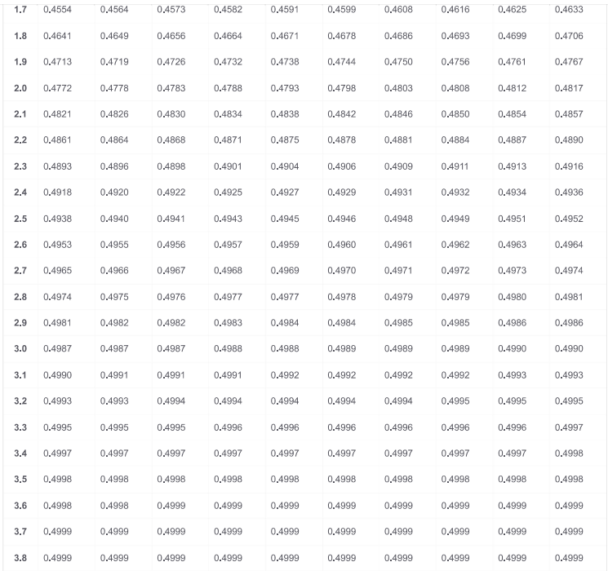

 |  | If you see the Summary report you will find 3 useful information
 |  | 1. t-statistics (9.535)
 |  | 2. std error of regression coefficient (2.00)
 |  | 3. probability of commiting type 1 error (2.45 e-06)

 |  | Now let we define Hypothesis over here |  | Ho = Null Hypothesis & Ha = Alternative Hypothesis

 |  | Ho/Null Hypothesis = The Slope of Advertisement with sales is not significant
 |  | H1/Alternative Hypothesis = The slope of Advertisement with sales is significant

 |  | In Mathematical Terms
 |  | Null Hypothesis / Ho = There is No Linear Relationship
 |  | Alternative Hypothesis / Ha = There is Linear Relationship

 |  | Now will Interpret coefficient

 |  | One unit change in Advertisement will result in 19.07 time change in sales.

 |  | So, First will calculate the test statistics

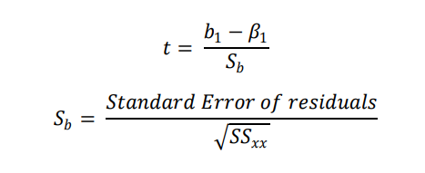

 |  | Standard Error of Regression Coefficient(Sb) = | 1.9999425136

 |  | Test Statistics (t) = | 9.5354955765

 |  | Now Let’s Discuss about Probability value

 |  | If, P-value is <= 0.05 (for 5% of Level of Significance) we Reject Null Hypothesis (Ho)
 |  | If, P-value is > 0.05 (for 5% of Level of Significance) we fail to reject Null Hypothesis (Ho)

 |  | The P-value is 0.00 which is less than 0.05, (level of Signifincance), So we Reject the Null Hypothesis (Ho) and Accept Alternative Hypothesis (Ha), And Finaly we conclude that slope is signifincant, And Finaly we can conclude that the advt and sales are having a linear relationship

 |  | Now will Understand about R-Squared

 |  | We can see R-Squared is 0.901 in summary report

 |  | It Means 90% of the variance in sales can be explained by Advertisement Remaining 10% are unexplained variance due to factors outside the Model

 |  | R-Squared = | 0.90091718572

 |  | Now will Understand about Adj-R-Squared

 |  | Adj R Squared | 0.89100890429

